A̳ssets


Paleta de Cores

# 9BC848 | Xbox Color | # E8E6E9 | negative zone
# 22C55E | Xbox Color
# 2AE6B1 | Menus
# 5BF6A8 | Menus

Logos |  |  |  | ícones

C̳álculos
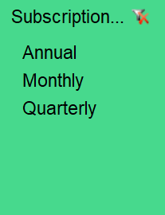

Subscription Type | Monthly

Rótulos de Linha | Soma de EA Play Season Pass
Standard | 0
Core | 0
Ultimate | 1350
Total Geral | 1350 | R$ 1,350.00
Subscription Type | Monthly

Rótulos de Linha | Soma de Minecraft Season Pass Price
Core | 0
Standard | 900
Ultimate | 900
Total Geral | 1800 | R$ 1,800.00

D̳ashboard
Xbox Game Pass Subscription Sales

 | TOTAL SUBSCRITP EAPASS SEASSON PASS | TOTAL SUBSCRITP MINECRAFT SEASSON PASS
BEM VINDA!
R$ 1.350,00
R$ 1.800,00

 | Total
No No | 120
No Yes | 448
Yes Yes | 1186

